Real Bubee
序号 | 产品名称 | 图片 | 型号 | 标价 | 进价 | 重量 | 产地 | 链接
1 | Real Bubee RB01 Bilateral Electric Breast Pump Suction Large Automatic Breast Pump瑞尔芭比孕产妇双边电动吸奶器吸乳挤奶器吸力大自动 按摩产后拔奶催乳器 | 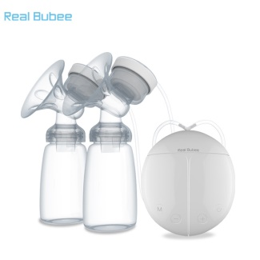 | RB01 | 149 | 69+6 | 0.6kg | 宁波 | https://detail.1688.com/offer/556273723267.html?spm=a2615.7691456.0.0.22d0e8a6OrKMby
2 | Real Bubee RB02 Suction Big Maternity Supplies Milking Machine Breast Feeding Lactation Milk Prolactin Manual Breast PumpReal Bubee 吸力大孕产妇用品挤奶器拔奶哺乳抽奶催乳手动吸奶器 | 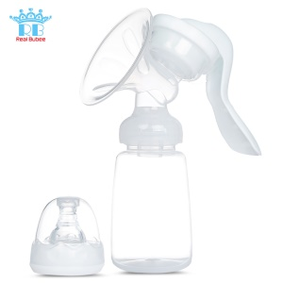 | RB02 | 56 | 16.9+10 | 0.32kg | 宁波 | https://detail.1688.com/offer/556095204855.html?spm=a2615.7691456.0.0.22d0e8a6OrKMby
3 | Real Bubee RB03 Manual Breast Pump Companion Silicone Anti-galactorrhea Milk Collector 瑞尔芭比手动电动吸奶器伴侣全硅胶防溢乳母乳收集器 | 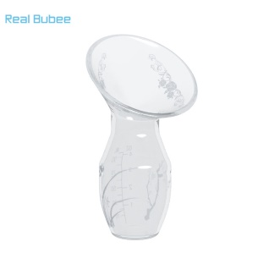 | RB03 | 48 | 12+10 | 0.14 | 宁波 | https://detail.1688.com/offer/556219182748.html?spm=a2615.7691456.0.0.22d0e8a6OrKMby
4 | Real Bubee RB04 Electric Breast Pump Maternal Breast Milk Pump Suction Large Automatic Breast Pump瑞尔芭比电动吸奶器孕产妇吸乳挤奶器吸力大自动产后拔奶催乳器 | 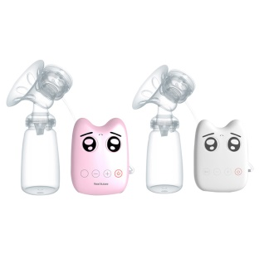 | RB04 | 133 | 59+15 | 0.46 | 宁波 | https://detail.1688.com/offer/556096924143.html?spm=a2615.7691456.0.0.1adc0ad4NG8k30
5 | Real Bubee RB05 Suction Large Electric Breast Pump Automatic Milking Breast Pump Maternal Breast Pumping Device瑞尔芭比吸力大电动吸奶器自动挤奶器吸乳器孕产妇拔奶器 | 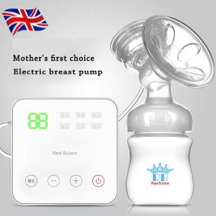 | RB05 | 210 | 100+20 | 0.8 | 宁波 | https://detail.1688.com/offer/556094908916.html?spm=a2615.7691456.0.0.1adc0ad4QqiRwK
6 | Real Bubee RB06 the Original Accessories Breast Pump Silicone Massage Pad |  | RB06 | 48 | 12+10 | 0.1 | 宁波 | https://detail.1688.com/offer/556095300733.html?spm=a2615.7691456.0.0.1adc0ad4QqiRwK
7 | Real Bubee RB07 Maternal Postpartum Electric Breast Pump Automatic Breast Pump Genuine Authentic瑞尔芭比孕产妇产后电动吸奶器 自动吸乳挤奶器正品静音吸力大 | 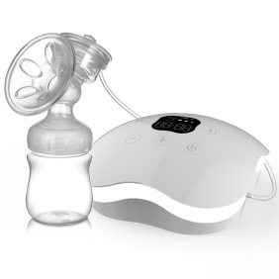 | RB07 | 357 | 198+20 | 0.81 | 宁波 | https://detail.1688.com/offer/556272859708.html?spm=a2615.7691456.0.0.1adc0ad4QqiRwK | https://detail.1688.com/offer/556096260210.html?spm=a2615.7691456.0.0.1adc0ad4QqiRwK
8 | RealBubee Maternal Breast Milk Pump Suction Automatic Massage Breast Pump Milk Propeller 瑞尔芭比孕产妇吸乳挤奶器吸力大自动按摩拔奶催乳电动吸奶器 | 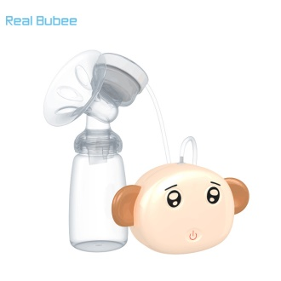 | RB08 | 129 | 56+15 | 0.68 | 宁波 | https://detail.1688.com/offer/556219698453.html?spm=a2615.7691456.0.0.2818dec39djuK
9 | RealBubee RB09 Warm Milk Liquid Thermostat Bottle Disinfection Bottle Warmer Hot Milk Bottle瑞尔芭比暖奶器液体恒温暖酒器奶瓶消毒保温双瓶温奶器热奶器 | 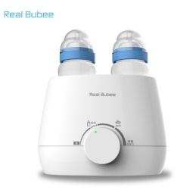 | RB09 | 147 | 58+20 | 1 | 宁波 | https://detail.1688.com/offer/556219686488.html?spm=a2615.7691456.0.0.1f22ac78NKuZWz
10 | RealBubee RB10 Nipple Protective Cover Nipple Protection Nursing Milk Feeding Bite-Aid Ultra-Slim Milk Shield瑞尔芭比乳头保护罩奶头贴哺乳保护器护奶喂奶防咬辅助超薄乳盾 | 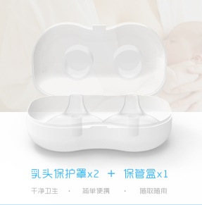 | RB10 | 54 | 16+10 | 0.055 | 宁波 | https://detail.1688.com/offer/556176805352.html?spm=a2615.7691456.0.0.7af3cb98RmAXnC
11 | Golden Fruit RB11 Multifunctional Baby Electric Grinding Machine Children's Manicure Care Sets Nail Tools多功能婴儿电动磨甲器儿童修甲护理套装美甲工具 | 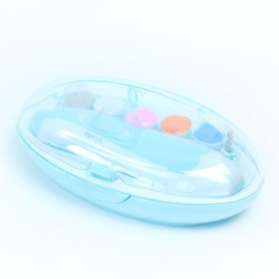 | RB11 | 57 | 26+6 | 0.3 | 宁波 | https://detail.1688.com/offer/537008830578.html?spm=a2615.7691456.0.0.55c71c83PKrHw4
12 | New Santa Claus Toys 37cm Plush Puppet Super Soft Short Plush Doll Christmas Gifts 新款圣诞老人玩具37cm毛绒手偶超柔短毛绒玩偶圣诞节礼品 | 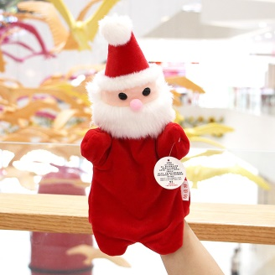 | RB12 | 29.9 | 13.8+6 | 0.07 |  | https://detail.1688.com/offer/558751701808.html?spm=b26110380.sw1688.mof001.1.qCX70d&tracelog=p4p
13 | New Christmas Plush Toys A Family Of Six Figures Modeling Finger Doll Suit RB13 新圣诞毛绒玩具一家亲六款人物造型手指玩偶套装 | 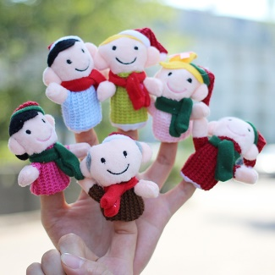 | RB13 | 30 | 18+6 | 0.01 |  | https://detail.1688.com/offer/558829645592.html?spm=a2615.7691456.0.0.1bddcf6ccNvHy9
14 | DRSTAR Christmas snowman Santa Christmas deer Christmas Bear diamond small particles assembled building blocks children's puzzle DRSTAR 圣诞雪人圣诞老人圣诞迷鹿圣诞小熊钻石小颗粒拼装积木儿童益智类玩具 | 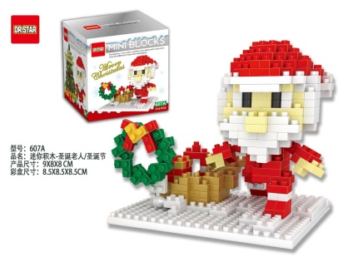 | RB14 | 23.5 | 9.5+6 | 0.1 | 义乌市江东街道东新屋村87幢3号 | https://detail.1688.com/offer/533932922303.html?spm=b26110380.sw1688.mof001.1097.qCX70d
15 | ZCUBE - Christmas Children Gift Christmas Puzzle Child Cube Christmas Tree Cube RB15 ZCUBE圣诞儿童礼物圣诞益智类儿童魔方圣诞树魔方 | 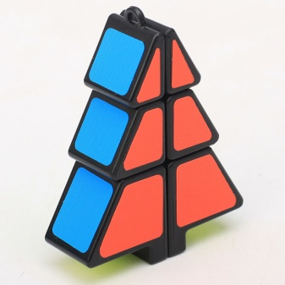 | RB15 | 38.3 | 13.5+12 | 0.03 |  | https://detail.1688.com/offer/561746043189.html?spm=b26110380.sw1688.mof001.1329.qCX70d
16 | Christmas Santa Claus Flashing Pendant 圣诞节圣诞老人闪光挂件 | 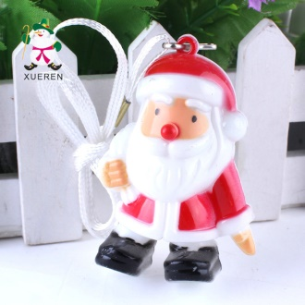 | RB16 | 3 | 1.1+5 | 0.02 |  | https://detail.1688.com/offer/38875333343.html?spm=b26110380.sw1688.mof001.1395.qCX70d | 已下架
17 | Christmas Photo Props Creative Funny Santa Claus Big White Paper Mustache Camera Props Party Supplies 圣诞节拍照道具 创意搞怪圣诞老人大白纸胡子拍照小道具派对用品 | 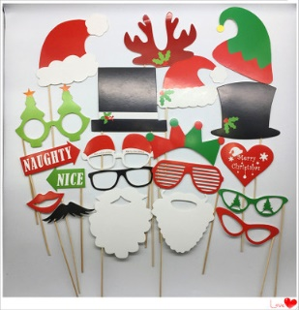 | RB17 | 12 | 5+5 | 0.096 |  | https://detail.1688.com/offer/547464321504.html?spm=b26110380.sw1688.mof001.1616.qCX70d | 可以参加满减之类的活动，不然单个卖，不能包邮
18 | Christmas Toys Christmas Baubles Small Toys RB18 圣诞玩具圣诞挂件小玩具圣诞老人圣诞迷鹿圣诞雪人 | 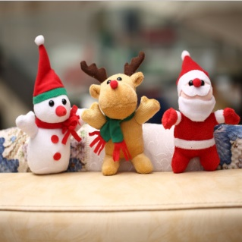 | RB18 | 23 | 10+7 | 0.022 |  | https://detail.1688.com/offer/525620813262.html?spm=b26110380.sw1688.mof001.2225.qCX70d
19 | Bear Baby Pillow Bear Stereotypes Pillow Baby Head Pillow Newborn Anti-Head Pillow 转转熊婴儿枕头小熊定型枕/宝宝头枕新生儿防偏头枕头 | 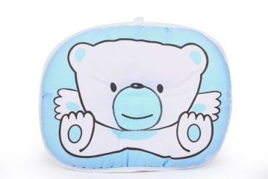 | RB19 | 19.9 | 3+5 | 0.085 |  | https://detail.1688.com/offer/537468134017.html?spm=b26110380.sw1688.mof001.10.swlACm
20 | Baby Pillow Newborn Baby Infant Pillow Prevent Deformity Pillow Diamond Shoulder Memory Cotton Pillow 婴儿枕头 新生儿宝宝婴幼儿枕头防偏头定型枕钻石绒记忆棉枕 |  | RB20 | 30.99 28.99 26.99 23.99 | 10.5+5 8.71+5 7.21+5 5.46+5 | 0.2 | 安徽 六安 | https://detail.1688.com/offer/525359056142.html?spm=b26110380.sw1688.mof001.91.swlACm&tracelog=p4p | 备用的https://buyertrade.taobao.com/trade/itemlist/list_bought_items.htm?spm=a1z02.1.972272805.d4919661.5b7ea0904xUFND&action=itemlist/BoughtQueryAction&event_submit_do_query=1&tabCode=waitSend
21 | Baby Stroller Bag Baby Products Baby Carriage Mummy Bag Padded Pearl Cotton Lining RB21 婴儿推车挂包母婴用品童车妈咪包加厚珍珠棉内衬 | 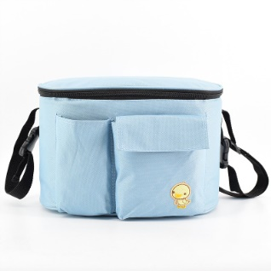 | RB21 | 42 | 18+5 | 0.3 |  | https://detail.1688.com/offer/539671479720.html?spm=b26110380.sw1688.0.11.zca8gg
22 | Waterproof Mummy Bag Five Sets Of Multi-Functional Fashion High-Capacity Mother Bag RB22 防水妈咪包五件套 多功能时尚大容量妈妈包 | 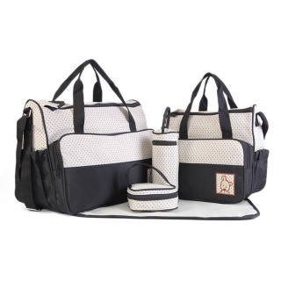 | RB22 | 89 | 42+7 | 1 |  | https://detail.1688.com/offer/531800740310.html?spm=b26110380.sw1688.mof001.448.Yy3a6P
23 | Labyrinth Children 3D Stereo Puzzle Ball Walking Puzzle Educational Toys Three-Dimensional Labyrinth Ball 迷宫 儿童3d立体幻智球走珠益智玩具 立体迷宫球 | 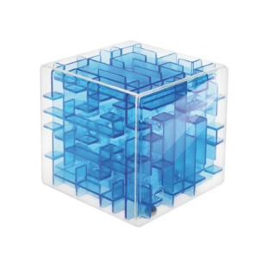 | RB23 | 38.7(6cm) 54 (9cm) | 5.8+10 16+10 | 0.11 0.32 |  | https://detail.1688.com/offer/538143495803.html?spm=a312h.7841636.1998813769.d_pic_18.DZHuaK&tracelog=p4p
24 | Baby Breathable Vest Basket Toddlers RB24 婴儿透气马夹提篮式学步带 | 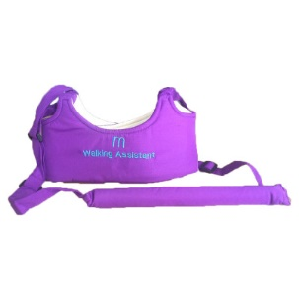 | RB24 | 31.9 | 8.5+5 | 0.13 | 义乌市后宅街道鹤田村 | https://detail.1688.com/offer/520008014226.html?spm=b26110380.sw1688.mof001.2.EVendM
25 | Mermaid New Bottle Rack PP Baby Bottle Rack Bottle Drying Rack RB25 人鱼公主新款奶瓶架 PP婴儿奶瓶架 奶瓶晾晒架 | 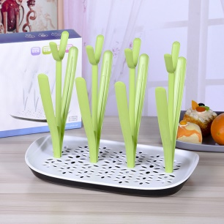 | RB25 | 63 | 22+8 | 0.35 | 东阳市东阳经济开发区长松岗功能区湖莲东街1216号1号楼一层 | https://detail.1688.com/offer/557173813874.html?spm=a2615.7691456.0.0.346a1c22Uv4fgY#
26 | Toilet Bowl Toilet Plus Size Male Baby Sitting Circle Girl Children Toilet Cover Pad RB26 儿童马桶圈坐便器加大号 男宝宝坐便圈 女小孩马桶盖垫 婴幼儿座便器 | 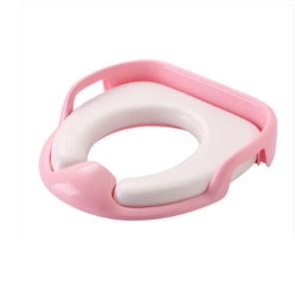 | RB26 | 39.9 | 12+5 | 0.45 | 宁波 | https://detail.1688.com/offer/560063434865.html?spm=a261y.7663282.0.0.69491e63yxhyy6
27 | Man Ba Mummy Bag Multi-Function High-Capacity Maternal And Child Package Mummy Bag Messenger Bag RB27 蔓葆妈咪包多功能大容量母婴包孕妇包餐椅包妈咪袋斜挎包 | 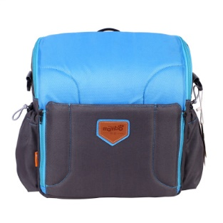 | RB27 | 236.5 | 119+10 | 1.75 | 义乌市城西街道新双溪村2幢 | https://detail.1688.com/offer/521272204370.html?spm=a2615.7691456.0.0.3af3dbcetNtxyT
28 | Manual Breast Pump Full Silicone Anti-Galactorrhea Breast Milk Collector Cap Automatically Collected Breast Milk RB28 手动吸奶器 全硅胶防溢乳母乳收集器 自动采集母乳加盖 | 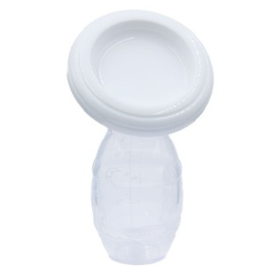 | RB28 | 35.5 | 7.2+6 | 0.1 | 义乌市北苑街道曹道村稠山一区85幢5号 | https://detail.1688.com/offer/537321257803.html?spm=b26110380.sw1688.mof001.751.EcLsk3
29 | Bilateral Electric Breast Pump Maternal Automatic Breast Pump Massage Extrusion RB29 双边电动吸奶器 孕产妇自动吸乳器按摩挤拔 | 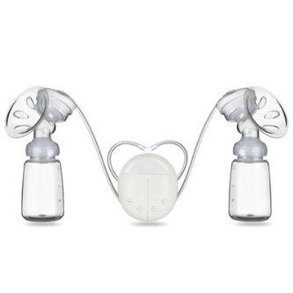 | RB29 | 139 | 60 | 0.6 | 宁波 | https://detail.1688.com/offer/544409165242.html?spm=b26110380.sw1688.mof001.80.Wgem12&tracelog=p4p
30 | Electric Breast Pump Mute Maternal Breast Pump Automatic Massage Milking Suck Pull Milk Machine RB30 电动吸奶器 静音孕产妇吸乳器 自动按摩挤奶器 吸力大拔奶器 | 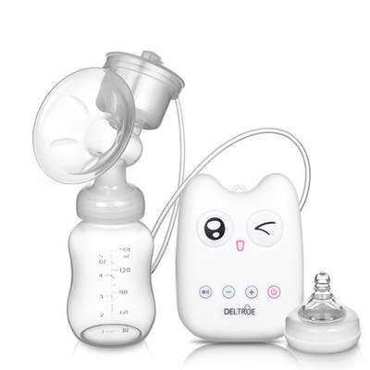 | RB30 | 119 | 50 | 0.48 | 宁波 | https://detail.1688.com/offer/556383223236.html?spm=b26110380.sw1688.mof001.372.Wgem12
31 | Electric Breast Pump Massage Mute LCD Ten Adjustable Display RB31 电动吸奶器 按摩吸奶 静音 液晶显示 十档可调 | 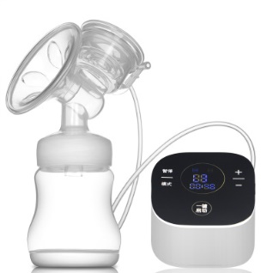 | RB31 | 159 | 79 | 0.85 | 宁波 | https://detail.1688.com/offer/554187641843.html?spm=a2615.7691456.0.0.6041a6a8MQSWQq
32 | Electric Breast Pump Massage Milkshake Adjustable Electric Mute Breast Pump Silicone Breast Pump RB32 电动吸奶器按摩吸奶九档可调 电动静音吸奶器硅胶吸奶器 | 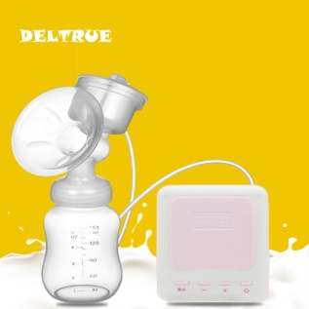 | RB32 | 87.9 | 40 | 0.48 | 宁波 | https://detail.1688.com/offer/554220522473.html?spm=a2615.7691456.0.0.6041a6a8ERrCMn
33 | Small Starfish Sleeping Bag Clip Cotton Baby Sleeping Bag Winter Thicker Cotton Sleeping Bag 小海星睡袋夹棉 婴儿睡袋 冬季加厚款 纯棉睡袋 | 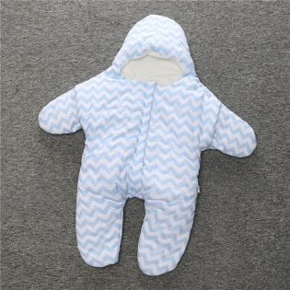 | RB33 | 109 | 46.55+12 | 0.35 | 福建福州 | https://detail.1688.com/offer/537793278707.html?spm=b26110380.sw1688.mof001.232.NPPTDN
34 | Baby Bed Head Childrens Toys Q Meng Owl Tumbler High-Quality Fall-Resistant Baby Toys RB34 婴儿床头儿童玩具Q萌猫头鹰不倒翁 高品质耐摔婴儿玩具 | 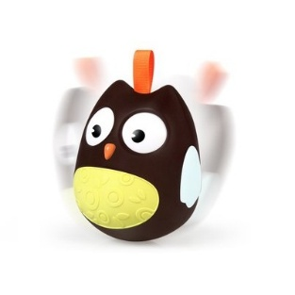 | RB34 | 39 | 6.5+8 | 0.5 | 广东汕头 | https://detail.1688.com/offer/549099713339.html?spm=a2615.7691456.0.0.ec169cfXrPvTm
35 | Children's Toy 23.5cm Large Rattle Drums Infant Hand Drum RB35 儿童玩具 23.5cm大号拨浪鼓摇鼓 婴幼儿手摇鼓 | 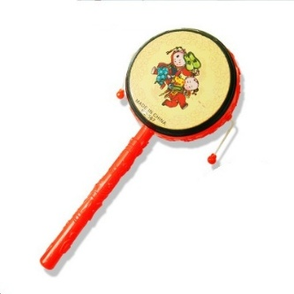 | RB35 | 23 | 1.05+5 | 0.03 | 浙江义乌 | https://detail.1688.com/offer/548091073925.html?spm=b26110380.sw1688.mof001.38.28CAnE&tracelog=p4p
36 | Ruanjiao Animal Hand Ball Baby Baby Band Catch Rattle Ball Fitness Soft Rubber Ball Bell Ball Early Education Toys RB36 软胶动物手抓球 婴儿宝宝手抓摇铃球 健身软胶球铃 铛球早教玩具 | 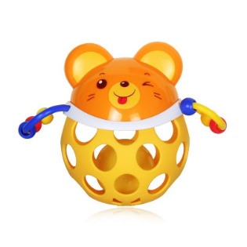 | RB36 | 39 | 9.75+8 | 0.45 | 广东汕头 | https://detail.1688.com/offer/556016949803.html?spm=a2615.7691456.0.0.42734db5F1vTfj
37 | Sound And Light Soft Animal Early Childhood Educational Toys RB37 声光软胶动物 幼儿早教益智玩具 | 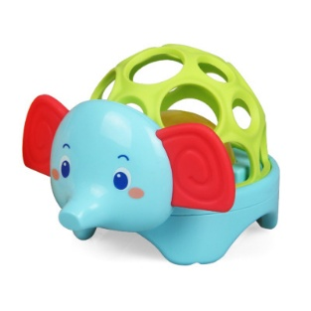 | RB37 | 48 | 16.5+8 | 0.5 | 广东汕头 | https://detail.1688.com/offer/556283675121.html?spm=a2615.7691456.0.0.2c74d6eeQfjY0J
38 | Swan 24 Hole Polyphonic C Harmonica Beginner Children Adult Students Playing Musical Instruments RB38 天鹅24孔复音C调口琴初学者儿童成人学生演奏乐器 | 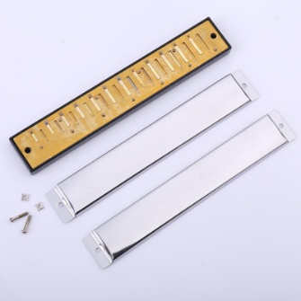 | RB38 | 65 | 24.5+7 | 0.18 | 义乌市诚信三街57号201室 | https://detail.1688.com/offer/544677722928.html?spm=b26110380.sw1688.mof001.569.FKjC7z
39 | 10-Tone Thumb Piano Children's Percussion Instrument Finger Piano Puzzle Music Thumb Piano RB39 10音拇指琴儿童打击乐器手指琴益智乐器拇指钢琴 |  | RB39 | 75 82 | 28+8 32+8 | 0.95 | 河北廊坊 50个包邮 | https://detail.1688.com/offer/544788772369.html?spm=b26110380.sw1688.mof001.484.FKjC7z
40 | Leisure Decompression Game Finger Yo-Yo Children Led Colorful Glow Finger Yo-Yo RB40 休闲减压游戏指尖悠悠球 儿童led七彩发光手指溜溜球 | 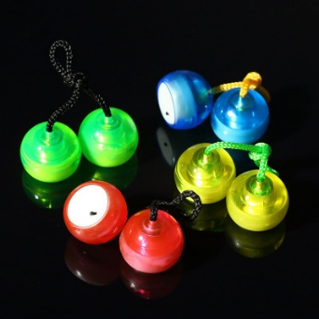 | RB40 | 23 | 2.5+5 | 0.05 | 义乌市北苑街道青莲三区15幢1单元 | https://detail.1688.com/offer/560549924371.html?spm=a2615.7691456.0.0.35f766cfIa5z8s
41 | Children's Traditional Auspicious 16CM Rattle Drum Toys Infants And Young Children Beat The Drums Beat Percussion Instruments RB41 儿童16CM传统吉祥手摇铃鼓玩具 婴幼儿手拍鼓 拍打击乐器 | 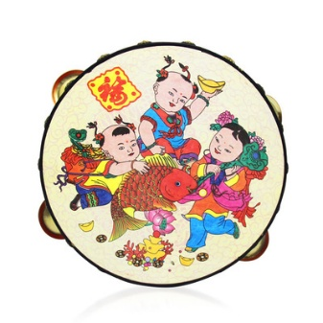 | RB41 | 16.66 | 3.55+9 | 0.11 | 广东汕头 | https://detail.1688.com/offer/523284260167.html?spm=b26110380.sw1688.mof001.833.FKjC7z
42 | Breastfeeding Bra Stereotyped Postpartum Cotton Spill Pad Washable RB42 哺乳文胸定型垫 产后全棉防溢乳垫可洗 | 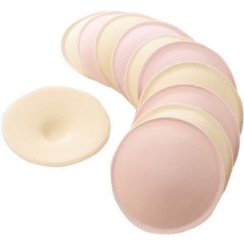 | RB42 | 36 | 13+6 | 0.5 | 广东汕头 | https://detail.1688.com/offer/531547011330.html?spm=a261y.7663282.0.0.218c4053wuJyai
43 | Realbubee30 Breastfeeding Milk Storage Bag Breastfeeding Bag 100ml realbubee30片装母乳储存存奶袋 储奶袋装奶袋母乳保鲜袋100ml | 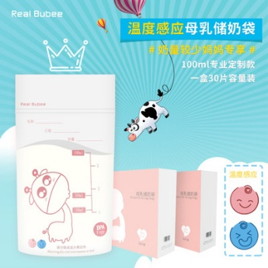 | RB43 | 59.9 | 22+7 | 0.45 | 浙江宁波 | https://detail.1688.com/offer/557224103598.html?spm=a2615.7691456.0.0.3f8fb53f8q6LmB
44 | Modern Pregnancy Maternity Pregnancy Underwear Quality Cotton Crotch Low Waist Care Abdominal Pregnancy Large Size Pregnancy Shorts Underwear QC1 摩登孕妈怀孕内裤优质棉里裆低腰托腹产妇孕期大码怀孕期短裤内衣 | 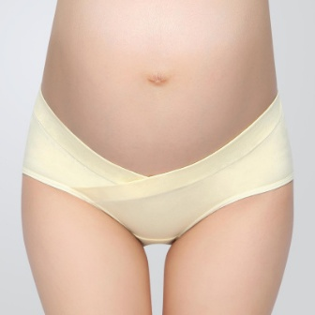 | QC1 | 26.25 | 5.5+6 | 0.08 | 江苏 镇江 | https://detail.1688.com/offer/541956168712.html?spm=a360q.8258388.0.0.Hm6FQs
45 | Portable Infant Chair Seat Bag Baby Safety Strap 7 Color Dining Chair Bag QC2 便携婴幼儿餐椅 座椅包 宝宝安全背带7色餐椅袋 | 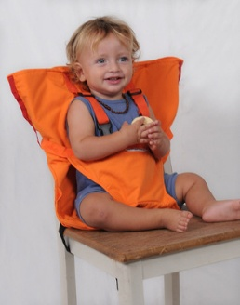 | QC2 | 89 | 39+6 | 0.35 | 中国 浙江 金华 义乌市北苑街道春华路588号A5-201室（托管289） | https://detail.1688.com/offer/524362509883.html?spm=a2615.7691456.0.0.579a2bdaVi2Yii
46 | Plus Size Children Toilet Bowl Child Toilet Seat Pad Baby Toilet QC3 加大号儿童坐便器马桶圈宝宝坐便圈小孩马桶盖垫婴幼儿座便器 | 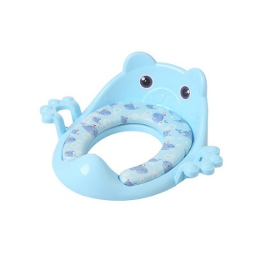 | QC3 | 43.2 | 20+8 | 0.5 | 浙江台州 | https://detail.1688.com/offer/539024177971.html?spm=a260k.635.201611281604.244.BqzmTi | https://detail.1688.com/offer/538882543262.html?spm=b26110380.8015204.xshy005.5.TTOV0D
47 | Newborn Baby Wide-Mouth Drop Proof, Children's Glass Bottle With Silicone Cover QC4 新生婴儿宽口防摔防爆 儿童玻璃奶瓶带硅胶套 | 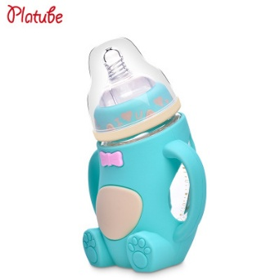 | QC4 | 89 | 32+12 | 0.54 | 广东东莞 | https://detail.1688.com/offer/562635348541.html?spm=b26110380.sw1688.mof001.70.lvZS9v&tracelog=p4p
48 | Infant Nasal Aspirator, Thermometer And Other Care 10 Sets QC5 婴幼儿吸鼻器、体温计等护理10件套 | 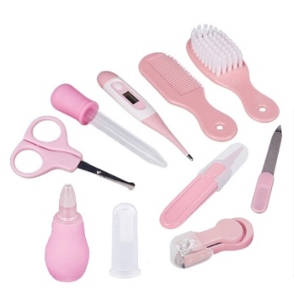 | QC5 | 52 | 20+6 | 0.45 | 广东阳江 | https://detail.1688.com/offer/44162939525.html?spm=b26110380.sw1688.mof001.42.dXMwib&sk=consign | https://detail.1688.com/offer/44162939525.html?spm=a2615.7691456.0.0.6301b973lkoptb
49 | Nobby 95x75CM PVC Leak-Proof Baby Mattress Urine Isolation Mattress QC6 诺比95x75CM PVC防漏超大婴儿床垫 隔尿床垫 | 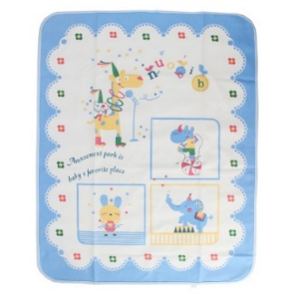 | QC6 | 45.6 | 16.5+6 | 0.31 | 广东深圳 | https://detail.1688.com/offer/1263847151.html?spm=a261y.7663282.0.0.322df619beykKs
50 | 旅行青蛙公仔 毛绒玩具软体青蛙玩偶 Travel Frog Doll Plush Toys Software Frog Doll QC7 | 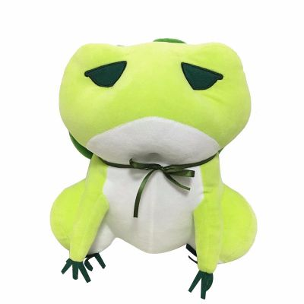 | QC7 | 51.2 67.2 | 25+7 35+7 | 0.42 | 江苏 扬州 | https://detail.1688.com/offer/564837726147.html?spm=a261y.7663282.0.0.4f734f86bBq5x4

生活用品
型号 | 产品名称 | 图片 | 起订量 | 标价（RMB） | 进价（RMB） | 重量（KG） | 快递费（RMB） | 产地 | 链接 | 备用链接
SHYP-1 | 新生儿枕 婴儿睡眠定位垫 防偏头定型枕 Neonatal Pillow Baby Sleep Positioning Pad Anti-Migraine Stereotypes Pillow SHYP-1 | 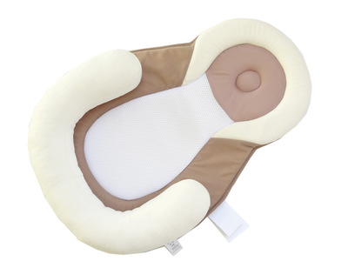 | 3 | 90 | 45 | 0.35 | 8 | 广东东莞 | https://detail.1688.com/offer/543240620776.html?spm=a262n.8097253.192.16.ed117296UwZSYh | https://item.taobao.com/item.htm?spm=a230r.1.999.14.1254523cVH9Sm3&id=544484917702&ns=1#detail
SHYP-2 | 儿童汽车座椅护头枕/宝宝保护颈椎旅行头部枕头 Child Car Seat Headrest / Baby Head Protection Cervical Spine Pillow SHYP-2 | 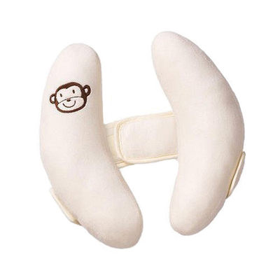 | 2 | 62.5 | 19 | 0.3 | 6 | 广东东莞 | https://detail.1688.com/offer/520156120379.html?spm=a2615.7691456.0.0.32b86b48md5vzk | 36.8:https://item.taobao.com/item.htm?spm=a230r.1.999.23.7a63523crI8Gv6&id=543094090323&ns=1#detail 17:https://item.taobao.com/item.htm?spm=a230r.1.999.51.7a63523crI8Gv6&id=551410098347&ns=1#detail

